Rooftop
 |  |  | Input Data | Calculated
Efficiency of Solar Module | 21.00%
Module Degradation Rate | 0.55% | Relative/year
Area available for installation | 20.00 | square meters
Total Power Rating of Installation | 4.20 | kW
Panel Size | 2 | L | 1 | meters
 |  | W | 2 | meters
Module Power Rating | 420 | Watts
Number of Panels to Install | 10
Energy Generated by 1 kW/year | 860 | kWh | (low limit) | To get an accurate estimate check the assumptions and enter your data at:
 | 980 | kWh | (high limit) | pvwatts.nrel.gov
Cost of each solar module | £100.00 | £ |  | www.pvcalc.org
Cost of panels | £1,000.00 | £ | 15% | www.globalsolaratlas.info
Cost of inverter (3-4kW size) | £2,500.00 | £ | 38% | www.solarguide.co.uk/solar-pv-calculator
Cost of installation, cabling, fixtures | £4,500.00 | £ | 69%
Total Cost of Solar installation (year 0) | £6,500.00 | £
Cost of Electricity high | £0.0768 | £/kWh
Cost of Electricity low | £0.067 | £/kWh

Typical cost of a 10 modules system | £8,000.00

Percentage of Energy use at home | 20% |  |  | ROI | 31.86% | Return on Investment
Percentage of Energy sold to utility | 80% |  |  | IRR | 8.37% | Rate of Return
Rate paid by utility for energy export | £0.15 | £/kWh |  | Inflation rate | 5.00% | Rate of capital depreciation
 |  |  |  | Net present value of investment | £2,070.72
 |  |  |  |  |  |  |  |  |  |  |  |  | CO2 intensity of the grid g/kWh | 250 | https://ourworldindata.org/grapher/carbon-intensity-electricity?tab=chart&country=~GBR
 |  | Generation High | Generation Low |  |  |  | Estimated here |  |  |  |  |  |  |  | https://www.epa.gov/energy/greenhouse-gas-equivalencies-calculator#results
Year | Efficiency | kWh/yr | kWh/yr | Energy Used | Energy Sold kWh | Export Cash in | Grid Price £/kWh | Grid savings | Cash Flow | Discounted | Net | Year |  | CO2 saved
1 | 21.000% | 3612.00 | 4116.00 | 722.40 | 2889.60 | £433.44 | £0.206 | £149.02 | -£5,918 | -£5,918 | -£5,918 | 1 |  | 903000
2 | 20.885% | 3592.13 | 4093.36 | 718.43 | 2873.71 | £431.06 | £0.211 | £151.48 | £583 | £554.80 | -£5,362.74 | 2 |  | 898033.5
3 | 20.770% | 3572.38 | 4070.85 | 714.48 | 2857.90 | £428.69 | £0.215 | £153.85 | £583 | £528.38 | -£4,834.36 | 3 |  | 893094.31575
4 | 20.655% | 3552.73 | 4048.46 | 710.55 | 2842.18 | £426.33 | £0.220 | £156.13 | £582 | £503.15 | -£4,331.21 | 4 |  | 888182.29701
5 | 20.542% | 3533.19 | 4026.19 | 706.64 | 2826.55 | £423.98 | £0.224 | £158.32 | £582 | £479.06 | -£3,852.15 | 5 |  | 883297.29438
6 | 20.429% | 3513.76 | 4004.05 | 702.75 | 2811.01 | £421.65 | £0.228 | £160.43 | £582 | £456.08 | -£3,396.07 | 6 |  | 878439.15926
7 | 20.316% | 3494.43 | 3982.03 | 698.89 | 2795.54 | £419.33 | £0.232 | £162.47 | £582 | £434.15 | -£2,961.93 | 7 |  | 873607.74388
8 | 20.205% | 3475.21 | 3960.12 | 695.04 | 2780.17 | £417.03 | £0.237 | £164.43 | £581 | £413.23 | -£2,548.70 | 8 |  | 868802.90129
9 | 20.094% | 3456.10 | 3938.34 | 691.22 | 2764.88 | £414.73 | £0.241 | £166.32 | £581 | £393.28 | -£2,155.42 | 9 |  | 864024.48534
10 | 19.983% | 3437.09 | 3916.68 | 687.42 | 2749.67 | £412.45 | £0.245 | £168.14 | £581 | £374.26 | -£1,781.16 | 10 |  | 859272.35067
11 | 19.873% | 3418.19 | 3895.14 | 683.64 | 2734.55 | £410.18 | £0.249 | £169.90 | £580 | £356.12 | -£1,425.04 | 11 |  | 854546.35274
12 | 19.764% | 3399.39 | 3873.72 | 679.88 | 2719.51 | £407.93 | £0.252 | £171.60 | £580 | £338.84 | -£1,086.20 | 12 |  | 849846.3478
13 | 19.655% | 3380.69 | 3852.41 | 676.14 | 2704.55 | £405.68 | £0.256 | £173.24 | £579 | £322.37 | -£763.83 | 13 |  | 845172.19289
14 | 19.547% | 3362.09 | 3831.22 | 672.42 | 2689.68 | £403.45 | £0.260 | £174.83 | £578 | £306.67 | -£457.16 | 14 |  | 840523.74582
15 | 19.440% | 3343.60 | 3810.15 | 668.72 | 2674.88 | £401.23 | £0.264 | £176.36 | £578 | £291.72 | -£165.44 | 15 |  | 835900.86522
16 | 19.333% | 3325.21 | 3789.20 | 665.04 | 2660.17 | £399.03 | £0.267 | £177.84 | £577 | £277.48 | £112.05 | 16 |  | 831303.41046
17 | 19.226% | 3306.92 | 3768.36 | 661.38 | 2645.54 | £396.83 | £0.271 | £179.27 | £576 | £263.92 | £375.96 | 17 |  | 826731.24171
18 | 19.121% | 3288.74 | 3747.63 | 657.75 | 2630.99 | £394.65 | £0.275 | £180.65 | £575 | £251.00 | £626.96 | 18 |  | 822184.21988
19 | 19.015% | 3270.65 | 3727.02 | 654.13 | 2616.52 | £392.48 | £0.278 | £181.98 | £574 | £238.70 | £865.66 | 19 |  | 817662.20667
20 | 18.911% | 3252.66 | 3706.52 | 650.53 | 2602.13 | £390.32 | £0.282 | £183.27 | £574 | £226.99 | £1,092.65 | 20 |  | 813165.06453
21 | 18.807% | 3234.77 | 3686.13 | 646.95 | 2587.82 | £388.17 | £0.285 | £184.51 | £573 | £215.84 | £1,308.49 | 21 |  | 808692.65668
22 | 18.703% | 3216.98 | 3665.86 | 643.40 | 2573.58 | £386.04 | £0.289 | £185.72 | £572 | £205.23 | £1,513.72 | 22 |  | 804244.84706
23 | 18.601% | 3199.29 | 3645.70 | 639.86 | 2559.43 | £383.91 | £0.292 | £186.88 | £571 | £195.13 | £1,708.84 | 23 |  | 799821.50041
24 | 18.498% | 3181.69 | 3625.65 | 636.34 | 2545.35 | £381.80 | £0.295 | £188.00 | £570 | £185.51 | £1,894.36 | 24 |  | 795422.48215
25 | 18.396% | 3164.19 | 3605.71 | 632.84 | 2531.35 | £379.70 | £0.299 | £189.09 | £569 | £176.36 | £2,070.72 | 25 |  | 791047.6585

 | Total Energy in 25 Years | 84584.08 | 96386.50 |  |  |  |  |  |  |  |  |  | Average Tons of C)2 save each year | 0.8458407536

 | 0.25 | eff | IRR | NPV | Pay Back Yr | CO2 saved/yr (t) | LCOE (p/kWh)
 |  | 17 | 5.74 | 438.2 | 22 | 0.68 | 9.5 |  |  |  | 9.5
 |  | 18 | 6.41 | 846.33 | 19 | 0.72 | 8.96 | 48.22% |  |  | 8.96
 |  | 19 | 7.08 | 1254.46 | 18 | 0.765 | 8.49 | 32.53% |  |  | 8.49
 |  | 20 | 7.73 | 1662.59 | 16 | 0.8 | 8.06 | 24.55% |  |  | 8.06
 |  | 21 | 8.37 | 2070.72 | 15 | 0.845 | 7.68 | 19.71% |  |  | 7.68
 |  | 22 | 9.01 | 2478.85 | 14 | 0.88 | 7.33 | 16.46% |  |  | 7.33
 |  | 23 | 9.65 | 2886.98 | 13 | 0.92 | 7 | 14.14% |  |  | 7
 |  | 24 | 10.28 | 3295 | 12 | 0.966 | 6.72 | 12.38% |  |  | 6.72
 |  | 25 | 10.9 | 3707 | 12 | 1 | 6.45 | 11.11% |  |  | 6.45

UK electricity estimate
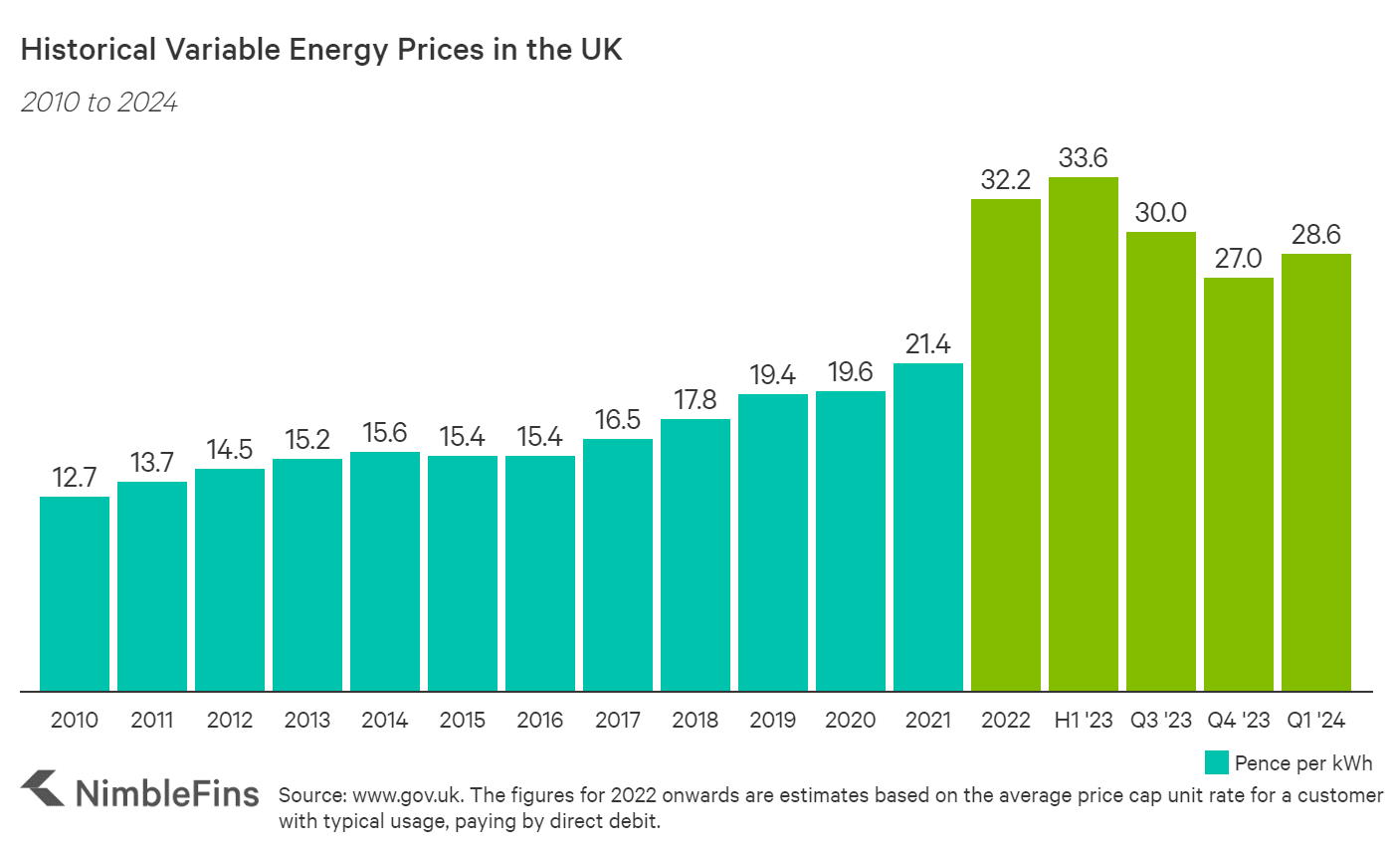
Average Energy Prices in UK, in 2023 £/kWh

Year | Record £/kWh | estimate
2010 | £12.68 | £12.57
2011 | £13.65 | £13.33
2012 | £14.50 | £14.04
2013 | £15.14 | £14.71
2014 | £15.60 | £15.34
2015 | £15.34 | £15.95
2016 | £15.34 | £16.54
2017 | £16.44 | £17.10
2018 | £17.74 | £17.65
2019 | £19.36 | £18.18
2020 | £19.55 | £18.69
2021 | £21.36 | £19.20
2022 | £32.06 | £19.68
2023 | £29.92 | £20.16 | Year | Projected Cost of electricity |  | 2005
2024 | £28.49 | £20.63 | 1 | 0.20628243106 | power | 0.6
2025 |  | £21.09 | 2 | 0.21085440841 | slope | 2.5
2026 |  | £21.53 | 3 | 0.21533580968 | intercep | 6
2027 |  | £21.97 | 4 | 0.21973262072
2028 |  | £22.41 | 5 | 0.22405017964
2029 |  | £22.83 | 6 | 0.22829327182
2030 |  | £23.25 | 7 | 0.23246620768
2031 |  | £23.66 | 8 | 0.23657288683
2032 |  | £24.06 | 9 | 0.2406168514
2033 |  | £24.46 | 10 | 0.24460133077
2034 |  | £24.85 | 11 | 0.24852927933
2035 |  | £25.24 | 12 | 0.25240340852
2036 |  | £25.62 | 13 | 0.25622621416
2037 |  | £26.00 | 14 | 0.26
2038 |  | £26.37 | 15 | 0.26372689802
2039 |  | £26.74 | 16 | 0.267408886
2040 |  | £27.10 | 17 | 0.27104780288
2041 |  | £27.46 | 18 | 0.27464536217
2042 |  | £27.82 | 19 | 0.27820316372
2043 |  | £28.17 | 20 | 0.28172270415
2044 |  | £28.52 | 21 | 0.28520538601
2045 |  | £28.87 | 22 | 0.28865252596
2046 |  | £29.21 | 23 | 0.29206536203
2047 |  | £29.54 | 24 | 0.29544506011
2048 |  | £29.88 | 25 | 0.29879271976

